req 1
item_id | item_name | category | Count of order_details_id
115 | Chicken Tacos | Mexican | 123 | 115 | Chicken Tacos | Mexican | 123 | Lowest
114 | Potstickers | Asian | 205 | 101 | Hamburger | American | 622 | Highest
128 | Cheese Lasagna | Italian | 207
116 | Steak Tacos | Mexican | 214
121 | Cheese Quesadillas | Mexican | 233
123 | Chips & Guacamole | Mexican | 237
104 | Veggie Burger | American | 238 | 115 | Chicken Tacos | Mexican | 123
130 | Shrimp Scampi | Italian | 239 | 101 | Hamburger | American | 622
126 | Fettuccine Alfredo | Italian | 249
103 | Hot Dog | American | 257 | Mexican | Chicken Tacos | 123
127 | Meat Lasagna | Italian | 273 | American | Hamburger | 622
112 | Salmon Roll | Asian | 324
118 | Steak Burrito | Mexican | 354
111 | California Roll | Asian | 355
129 | Mushroom Ravioli | Italian | 359
110 | Pork Ramen | Asian | 360
131 | Chicken Parmesan | Italian | 364
124 | Spaghetti | Italian | 367
119 | Chicken Torta | Mexican | 379
132 | Eggplant Parmesan | Italian | 420
117 | Chicken Burrito | Mexican | 455
107 | Orange Chicken | Asian | 456
122 | Chips & Salsa | Mexican | 461
105 | Mac & Cheese | American | 463
125 | Spaghetti & Meatballs | Italian | 470
120 | Steak Torta | Mexican | 489
108 | Tofu Pad Thai | Asian | 562
106 | French Fries | American | 571
102 | Cheeseburger | American | 583
109 | Korean Beef Bowl | Asian | 588
113 | Edamame | Asian | 620
101 | Hamburger | American | 622
Grand Total |  |  | 12097

dashboard
Restaurant Sales Dashboard
Focus : Italian

Total Revenue 49462.7
440
Lowest vs Highest item
192.15
No. of sales 2948
Chicken Tacos | 123
Hamburger | 622
Highest spend order id
Total Spent

Category wise Distribution
 | Total Revenue | No. of Sales
Italian | 49462.7 | 2948
Asian | 46720.6 | 3470
Mexican | 34796.8 | 2945
American | 28237.8 | 2734
Item Name | item_id | Price_
Chicken Parmesan | 131 | 17.95
Chips & Salsa | 122 | 7
Edamame | 113 | 5
Eggplant Parmesan | 132 | 16.95
Fettuccine Alfredo | 126 | 29
French Fries | 106 | 7
Hot Dog | 103 | 9
Korean Beef Bowl | 109 | 17.95
Meat Lasagna | 127 | 17.95
Spaghetti | 124 | 14.5
Spaghetti & Meatballs | 125 | 35.9
Steak Tacos | 116 | 13.95
Total | 12 | 192.15

req
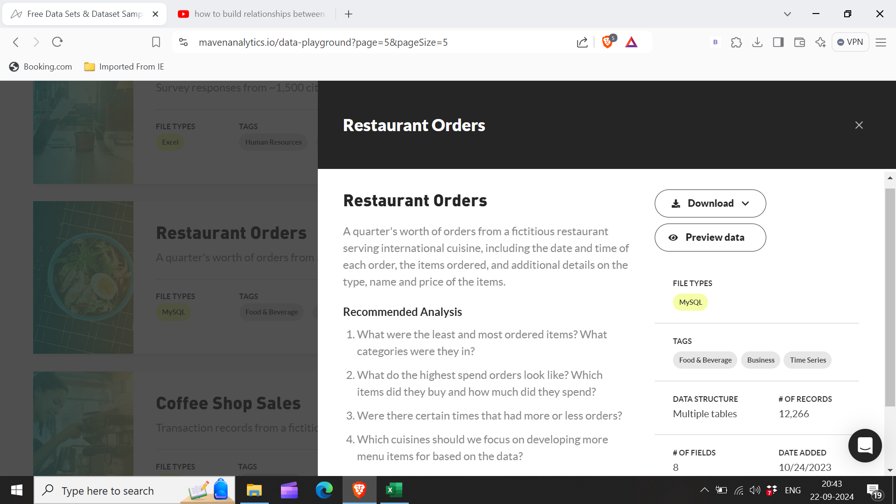

req 4
Category | Total Revenue | No. of Sales | Category | Total Revenue | No. of Sales
Italian | 49462.7 | 2948 | Italian | 49462.7 | 2948
Asian | 46720.6 | 3470 | Asian | 46720.6 | 3470
Mexican | 34796.8 | 2945 | Mexican | 34796.8 | 2945
American | 28237.8 | 2734 | American | 28237.8 | 2734
Grand Total | 159217.9 | 12097

